Variance Analysis
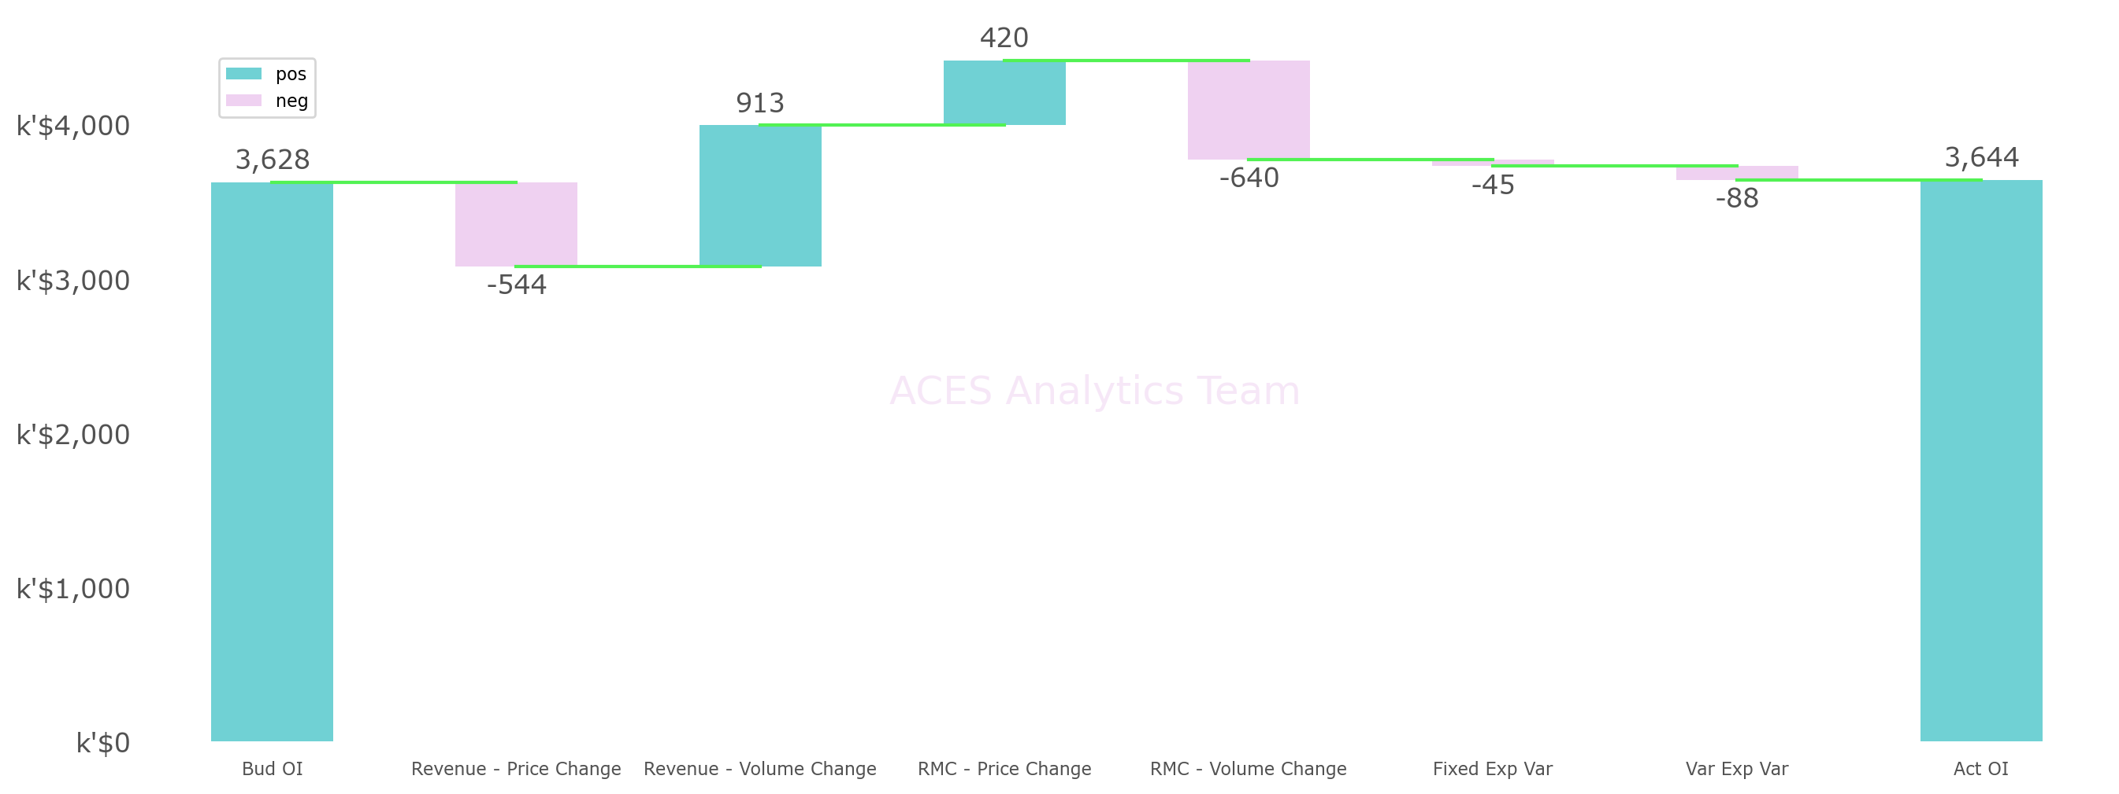
Operating Income Variance Analysis - Jan-23

The last update time : Monday, 27 Feb 2023, 12:10. |  |  |  |  | Running time: 6.53 s
Analyzed by: ACES Analytics Team. |  |  |  |  | Unit: Revenue/RMC: K'$ | Volume: Ton | Unit Price/RMC: $/kg
 | Sales Revenue | Sales Volume | Raw Material Cost | Fixed Exp | Variable Exp | Operating Income | Unit Price | Unit RMC
Act | 24,199 | 19,625 | 16,925 | 1,211 | 2,420 | 3,644 | 1.2331 | 0.8624
Bud | 23,830 | 18,900 | 16,705 | 1,166 | 2,330 | 3,628 | 1.2608 | 0.8838
Act vs Bud | 369 | 724 | 220 | 45 | 89 | 15 | -0.0277 | -0.0214

Variance Factors and Amounts
Bud Operating Income | Revenue Effect due to Price Change | Revenue Effect due to Volume Change | RMC Effect due to Price Change | RMC Effect due to Volume Change | Fixed Expense Variance | Variable Expense Variance | Actual Operating Income
3,628 | -544 | 913 | 420 | -640 | -45 | -88 | 3,644

